Sheet2
Problem |  | Solution
Names |  | No Vowel | All Vowels | Easy Sunday Excel Challenge
Blyth |  | 3 | 2 | ⭐Count the words with No Vowels and All Vowels
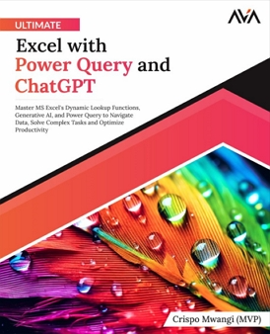
Help
Gym
Sequoia
Routers
Gwyn
Package
Abstemious

 | To Support the Challenges
 |  | Buy the Book

